Nike Socks
Image | Product | Description | Type | Available | Pro Rata 50,000 | Remainder
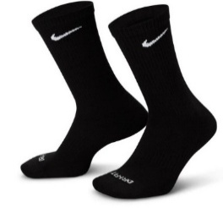 | SX7676-010 | NIKE EVERYDAY LTWT CREW 3PK | Adult's socks | 160,005 | 17,072 | 142,933
 | SX7676-010BLK1083 | NIKE EVERYDAY LTWT CREW 3PK Black 2-5 (S) | Adult's socks | 27,888 | 2,976 | 24,912
 | SX7676-010BLK1084 | NIKE EVERYDAY LTWT CREW 3PK Black 5-8 (M) | Adult's socks | 60,696 | 6,476 | 54,220
 | SX7676-010BLK1085 | NIKE EVERYDAY LTWT CREW 3PK Black 8-11 (L) | Adult's socks | 59,997 | 6,401 | 53,596
 | SX7676-010BLK1086 | NIKE EVERYDAY LTWT CREW 3PK Black 11-14 (XL) | Adult's socks | 11,424 | 1,219 | 10,205
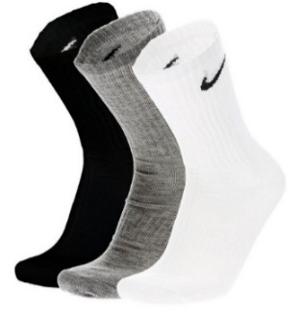 | SX7676-964 | NIKE EVERYDAY LTWT CREW 3PK | Adult's socks | 71,976 | 7,680 | 64,296
 | SX7676-964MUL1083 | NIKE EVERYDAY LTWT CREW 3PK Multi colour 2-5 (S) | Adult's socks | 7,128 | 761 | 6,367
 | SX7676-964MUL1084 | NIKE EVERYDAY LTWT CREW 3PK Multi colour 5-8 (M) | Adult's socks | 35,778 | 3,817 | 31,961
 | SX7676-964MUL1085 | NIKE EVERYDAY LTWT CREW 3PK Multi colour 8-11 (L) | Adult's socks | 26,478 | 2,825 | 23,653
 | SX7676-964MUL1086 | NIKE EVERYDAY LTWT CREW 3PK Multi colour 11-14 (XL) | Adult's socks | 2,592 | 277 | 2,315
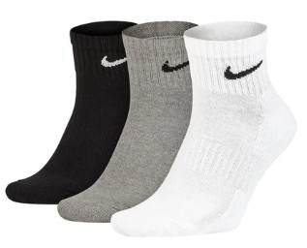 | SX7677-964 | NIKE ED LTWT ANKLE 3Pk | Adult's socks | 64,547 | 6,886 | 57,661
 | SX7677-964MUL1083 | NIKE ED LTWT ANKLE 3Pk Multi colour 2-5 (S) | Adult's socks | 13,152 | 1,403 | 11,749
 | SX7677-964MUL1084 | NIKE ED LTWT ANKLE 3Pk Multi colour 5-8 (M) | Adult's socks | 26,986 | 2,879 | 24,107
 | SX7677-964MUL1085 | NIKE ED LTWT ANKLE 3Pk Multi colour 8-11 (L) | Adult's socks | 23,964 | 2,557 | 21,407
 | SX7677-964MUL1086 | NIKE ED LTWT ANKLE 3Pk Multi colour11-14 (XL) | Adult's socks | 445 | 47 | 398
 | SX7678-010 | NIKE EVERYDAY LTWT NS 3PK | Adult's socks | 57,158 | 6,098 | 51,060
 | SX7678-010BLK1083 | NIKE EVERYDAY LTWT NS 3PK Black 2-5 (S) | Adult's socks | 20,916 | 2,232 | 18,684
 | SX7678-010BLK1084 | NIKE EVERYDAY LTWT NS 3PK Black 5-8 (M) | Adult's socks | 30,624 | 3,267 | 27,357
 | SX7678-010BLK1085 | NIKE EVERYDAY LTWT NS 3PK Black 8-11 (L) | Adult's socks | 5,618 | 599 | 5,019
 | SX7678-100 | NIKE EVERYDAY LTWT NS 3PK | Sports socks | 50,220 | 5,361 | 44,859
 | SX7678-100WBK1083 | NIKE EVERYDAY LTWT NS 3PK White Black2-5 (S) | Sports socks | 5,784 | 617 | 5,167
 | SX7678-100WBK1084 | NIKE EVERYDAY LTWT NS 3PK White Black5-8 (M) | Sports socks | 39,012 | 4,162 | 34,850
 | SX7678-100WBK1085 | NIKE EVERYDAY LTWT NS 3PK White Black8-11 (L) | Sports socks | 5,424 | 582 | 4,842
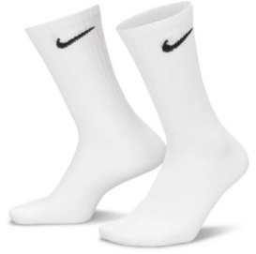 | SX7676-100 | NIKE EVERYDAY LTWT CREW 3PK | Adult's socks | 34,077 | 3,635 | 30,442
 | SX7676-100WHT1083 | NIKE EVERYDAY LTWT CREW 3PK White 2-5 (S) | Adult's socks | 3,600 | 384 | 3,216
 | SX7676-100WHT1084 | NIKE EVERYDAY LTWT CREW 3PK White 5-8 (M) | Adult's socks | 25,344 | 2,704 | 22,640
 | SX7676-100WHT1085 | NIKE EVERYDAY LTWT CREW 3PK White 8-11 (L) | Adult's socks | 4,221 | 450 | 3,771
 | SX7676-100WHT1086 | NIKE EVERYDAY LTWT CREW 3PK White 11-14 (XL) | Adult's socks | 912 | 97 | 815
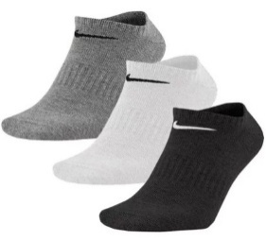 | SX7678-964 | NIKE EVERYDAY LTWT NS 3PK | Adult's socks | 30,636 | 3,268 | 27,368
 | SX7678-964MUL1083 | NIKE EVERYDAY LTWT NS 3PK Multi colour 2-5 (S) | Adult's socks | 612 | 65 | 547
 | SX7678-964MUL1084 | NIKE EVERYDAY LTWT NS 3PK Multi colour 5-8 (M) | Adult's socks | 15,324 | 1,635 | 13,689
 | SX7678-964MUL1085 | NIKE EVERYDAY LTWT NS 3PK Multi colour 8-11 (L) | Adult's socks | 13,866 | 1,479 | 12,387
 | SX7678-964MUL1086 | NIKE EVERYDAY LTWT NS 3PK Multi colour 11-14 (XL) | Adult's socks | 834 | 89 | 745

